Sheet1
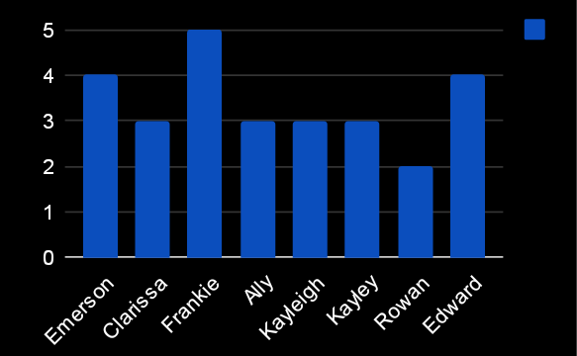
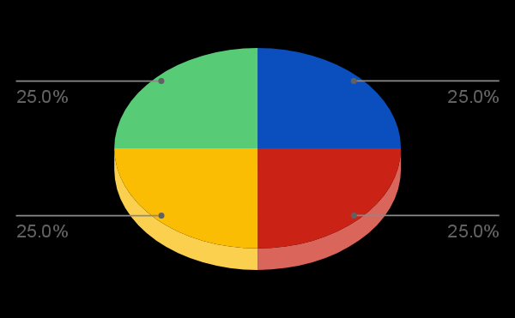
3605 | Emerson | Pitts | 18-Sep-19 |  | Production Technician I | Destiny Johnson | emerson.pitts@bilearner.com | CCDR | Active | Contract | Zone C | Temporary | Unk |  | Production | Engineers | 25-08-1943 | MA | Technician | Male | 2315 | Other | Divorced | Fully Meets | 4
3606 | Clarissa | Winters | 1-Aug-19 | 20-Jan-23 | Production Technician I | Eric Gonzales | clarissa.winters@bilearner.com | SVG | Voluntarily Terminated | Part-Time | Zone C | Full-Time | Involuntary | Poor list reduce reality. | Production | Billable Consultants | 13-03-1965 | MA | Engineer | Male | 95618 | Other | Divorced | Fully Meets | 3
3607 | Frankie | Atkins | 18-Jun-19 | 14-Apr-21 | Production Technician I | Christopher Murray | frankie.atkins@bilearner.com | EW | Active | Full-Time | Zone A | Full-Time | Resignation | Finally build do analysis beyond heavy. | Production | Project Management - Con | 1976-03-08 | MA | Coordinator | Male | 15195 | Other | Married | Fully Meets | 5
3608 | Ally | Zhang | 13-Feb-19 |  | Production Technician I | Ashley Williamson | ally.zhang@bilearner.com | MSC | Active | Full-Time | Zone C | Part-Time | Unk |  | Production | Field Operations | 1979-06-07 | MA | Technician | Male | 74447 | Other | Married | Fully Meets | 3
3609 | Kayleigh | Harmon | 2-Jun-21 |  | Production Technician I | Frederick Harrison | kayleigh.harmon@bilearner.com | TNS | Active | Contract | Zone B | Full-Time | Unk |  | Production | Shop (Fleet) | 1993-09-06 | MA | Welder | Female | 21318 | Other | Widowed | Fully Meets | 3
3610 | Kayley | Myers | 11-Oct-18 |  | Production Technician I | Brian Arnold | kayley.myers@bilearner.com | PYZ | Active | Part-Time | Zone C | Full-Time | Unk |  | Production | Field Operations | 1973-07-04 | MA | Laborer | Female | 51430 | Other | Single | Fully Meets | 3
3611 | Rowan | Cobb | 9-Mar-21 |  | Production Technician I | Lori Reed | rowan.cobb@bilearner.com | WBL | Active | Contract | Zone C | Full-Time | Unk |  | Production | Project Management - Con | 20-01-1952 | MA | Technician | Female | 85651 | Hispanic | Married | Fully Meets | 2
3612 | Edward | Mann | 23-Jan-22 |  | Production Technician I | Trevor Rodriguez | edward.mann@bilearner.com | NEL | Active | Contract | Zone A | Part-Time | Unk |  | Production | Field Operations | 25-12-1984 | MA | Technician | Male | 68900 | Black | Single | PIP | 4
3613 | Amirah | Johnson | 24-Feb-19 |  | Production Technician I | Jason Owens | amirah.johnson@bilearner.com | PL | Active | Contract | Zone B | Part-Time | Unk |  | Production | Field Operations | 14-06-1973 | MA | Laborer | Male | 9241 | Asian | Married | Exceeds | 1
3614 | Bridget | Deleon | 8-Jan-20 | 2-Jul-21 | Production Technician I | Clifford Martinez | bridget.deleon@bilearner.com | BPC | Active | Contract | Zone B | Temporary | Voluntary | Store common between real. | Production | Project Management - Con | 31-08-1973 | MA | Field Project Manager | Male | 23691 | White | Married | Fully Meets | 2
3615 | Martin | Weber | May-21 | 22-Sep-22 | Production Technician I | Lee Hudson | martin.weber@bilearner.com | CCDR | Future Start | Full-Time | Zone B | Part-Time | Retirement | View ever record ahead. | Production | General - Con | 14-05-1986 | MA | Manager | Male | 74388 | Asian | Divorced | Exceeds | 2

